Follow On Tasks
Sl No. | KPI Name | KPI Definition | SAP Logic | SAP DB table name | Remarks
1 | Follow On Tasks | Count the Confirmed Work Orders tasks with WO Category 30 AND WO type "ZPMS" AND Creation date is in the selected month(Input given by the user in selection screen) AND System Status does not contain DLFL AND User Status Contains either WCFW OR WCRP & Divide it by Total number of all completed ZPMS tasks in period. | AUFNR-AUFK=AUART(WO Type) AUFNR-AUFK=ERDAT AUFNR-AUFK=OBJNR AUFNR-AFKO=AUFPL AUFPL-AFVV=Total No. of tasks in a WO OBJNR-JEST=STAT STAT-TJ02T=TXT04(System Status) STAT-TJ30T=TXT04(User Status) | AUFk JEST TJ02T TJ30T AFKO | If a work order is created by mistake and user wants to delete it, DLFL system status can be flagged. ZPMS is a WO type

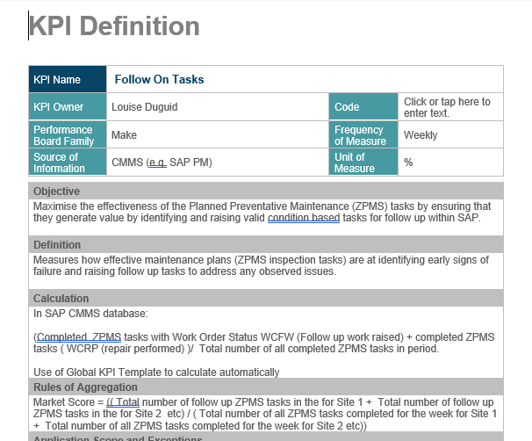

 |  |  |  | AUART =ZPMS AUTYP=30
 |  |  |  | JEST STAT NE I0076 AND INACT NE X
 |  |  |  | COUNT ALL THE TASKS FOR THE OPERATIONS FOR THE WO WHICH IS SATISFING ABOVE CONDITIONS

 |  |  |  | afko - autyp
 |  |  |  | afvc - objnr | JEST ALL e
 |  |  |  | tj02t

 |  |  |  | AFKO-AUFPL

Maintenance Backlog
Sl No. | KPI Name | KPI Definition | SAP Logic | SAP DB table name | Remarks
1 | Maintenance Backlog | If ( (Notification type is M1 OR M2 AND Difference of Creation Date, Time & Date,Time of Report execution is greater than 48 hours AND No WO against Notification) OR (WO of category 30 Created after the Basic Start Date OR Completed after the Basic Finish Date) AND System status does not contain DLFL count 1 else 0. | QMNUM-VIQMEL=QMART(Notification Type) AUFNR-AUFK=ERDAT AUFNR-AUFK=OBJNR AUFNR-AFKO=GLTRP(Basic Finish Date) AUFNR-AFKO=GSTRP(Basic Start Date) AUFNR-AFKO=GLZUP AUFNR-AFKO=GSUZI OBJNR-JEST=STAT STAT-TJ02T=TXT04(System Status) STAT-TJ30T=TXT04(User Status) | VIQMEL AUFk JEST TJ02T TJ30T AFKO | Work Order exceeding their Start date needs clarification. Should we consider Schedule Start Date or Basic Start Date and Do we need to consider any user status should be discussed.

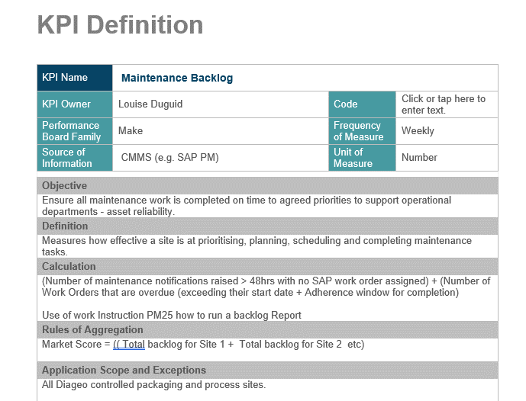

 |  |  |  | VIQMEL - QMNUM - AUFNR | DATE TIME
 |  |  |  | AUFK - ERDAT | DATE TIME

Maintenance PPM Completion (%)
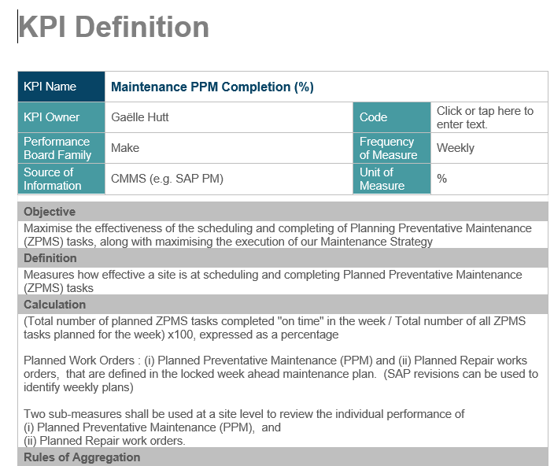
KPI Name | KPI Definition | SAP Logic | SAP DB table name | Remarks
Maintenance PPM Completion (%) | Count the number of ZPMS WO Type Tasks with "CNF" system status in that week and divide it by total no. of ZPMS WO type tasks created in that week and Express it in Percentage. | QMNUM-VIQMEL=QMART(Notification Type) AUFNR-AUFK=ERDAT AUFNR-AFKO=OBJID OBJID-JEST=STAT Pass STAT in TJ02T to get the status of the operation | VIQMEL AUFk JEST TJ02T TJ30T AFKO

MTBF(Mean Time Between Failure)
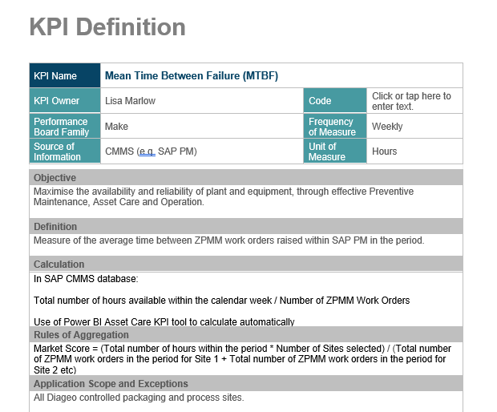
KPI Name | KPI Definition | SAP Logic | SAP DB table name | Remarks
Mean Time Between Failure | Number of Hours available in the calendar week/Total no. of ZPMM WO created in the corresponding calendar week. | AUFNR-AUFK=AUART(WO Type) AUFNR-AUFK=ERDAT(WO creation Date) | AUFk

Maintenance Planning Effect(%)
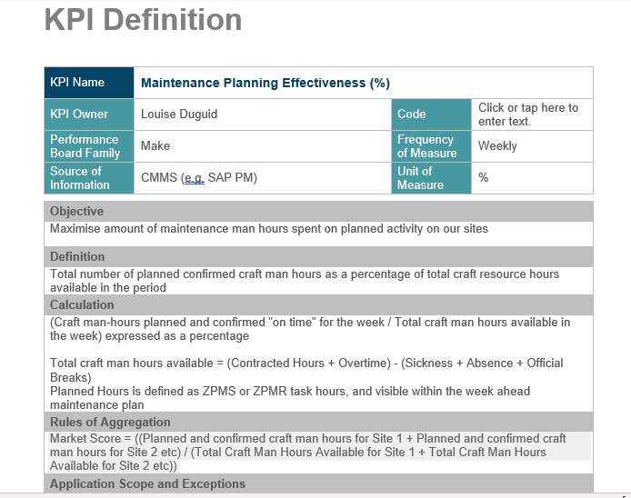
KPI Name | KPI Definition | SAP Logic | SAP DB table name | Remarks
Maintenance Planning Effectiveness(%) | Count WO Task hours of WO Category 30 AND work order type is "ZPMS" OR "ZPMR" AND Creation date is in the selected week (Input given by the user in selection screen) AND WO opertaions with System Status "CNF" AND "CNF" status in operation is flagged before Basic FInish Date System Status does not contain DLFL fetch work order AND get the total plan work of all the operation from the WO.(Time should be in Mins) | AUFNR-AUFK=AUART(WO Type) AUFNR-AUFK=ERDAT(WO creation Date) | AUFk AFKO JEST

Craft CI Activity
KPI Name | KPI Definition | SAP Logic | SAP DB table name | Remarks
Craft CI Activity | WO Task hours of WO Category 30 AND work order type is "ZPMS" AND Creation date is in the selected week (Input given by the user in selection screen) AND System Status does not contain DLFL fetch work order AND get the total plan work of all the operation from the WO and Divide it by Total Craft Man hours Available for the week. | AUFNR-AUFK=AUART(WO Type) AUFNR-AUFK=ERDAT(WO creation Date) | AUFk AFKO JEST

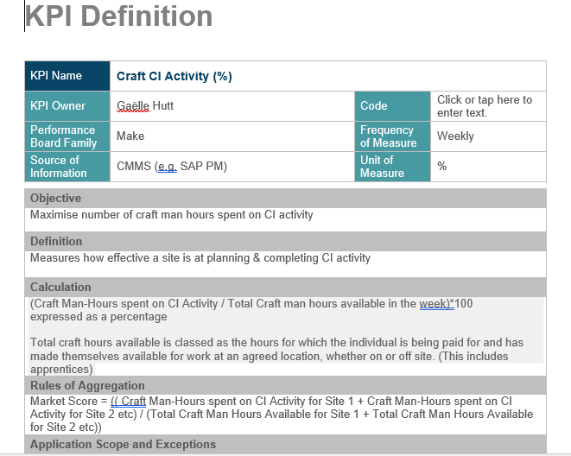

Actual craft time (in mins) | If work Order Category is 30 AND Creation date is in the selected month(Input given by the user in selection screen) AND System Status does not contain DLFL fetch work order AND get the total actual work of all the operation from the WO.(Time should be in Mins) | AUFNR-AFKO=AUFPL AUFPL-AFVV=ISMNW Add ISMNW from all the rows of the table | AFKO AFVC AFRU
Total Craft time (in mins) | Take Capacity from all the Main Work Center and Multiply it by 2880(8 Hous*6 Days*60 Minutes) | Pass OBJTYP as A && VERWE as "00PM" in CRHD to get the KAPID Pass KAPIID in KAKO to get the AZNOR

